bezug
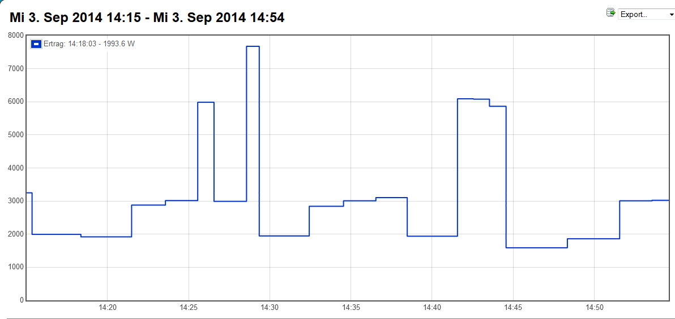
# source: volkszaehler.org
# version: 0.3

# uuid: 59875140-24ad-11e4-8630-f30786b3aece
# title: Ertrag
# from: 1409746520994
# to: 1409748693662
# min: 1409748500234 => 1588.801
# max: 1409747360955 => 7676.725
# average: 2816.813
# consumption: 1700 | Leistung |  | Zählerstände |  |  | Leistung (Watt)
# rows: 18 | (Watt) |  | (kWh) | tdiff(ms) | tdiff(s) | errechnet
1409746701576 | 1,993,554 | 1 | 14895.3 |  |  | 0 | 03/09/2014
1409746889113 | 1,919,621 | 1 | 14895.4 | 187537 | 187.54 | 1919.62
1409747014140 | 2,879,378 | 1 | 14895.5 | 125027 | 125.03 | 2879.38
1409747133575 | 3,014,192 | 1 | 14895.6 | 119435 | 119.44 | 3014.19
1409747193734 | 5,984,142 | 1 | 14895.7 | 60159 | 60.16 | 5984.14
1409747314060 | 2,991,872 | 1 | 14895.8 | 120326 | 120.33 | 2991.87
1409747360955 | 7,676,725 | 1 | 14895.9 | 46895 | 46.90 | 7676.72
1409747545958 | 1,945,914 | 1 | 14896.0 | 185003 | 185.00 | 1945.91
1409747672586 | 2,842,973 | 1 | 14896.1 | 126628 | 126.63 | 2842.97
1409747792283 | 3,007,594 | 1 | 14896.2 | 119697 | 119.70 | 3007.59
1409747908223 | 3,105,054 | 1 | 14896.3 | 115940 | 115.94 | 3105.05
1409748093917 | 1,938,673 | 1 | 14896.4 | 185694 | 185.69 | 1938.67
1409748153044 | 6,088,589 | 1 | 14896.5 | 59127 | 59.13 | 6088.59
1409748212259 | 6,079,541 | 1 | 14896.6 | 59215 | 59.22 | 6079.54
1409748273648 | 5,864,243 | 1 | 14896.7 | 61389 | 61.39 | 5864.24
1409748500234 | 1,588,801 | 1 | 14896.8 | 226586 | 226.59 | 1588.80
1409748693662 | 1,861,158 | 1 | 14896.9 | 193428 | 193.43 | 1861.16 | 03/09/2014

